Title Page
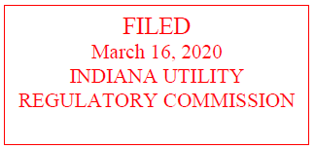
INDIANA MICHIGAN POWER COMPANY
2019 BASE CASE
WP-JCD-6C (Compliance)

